Sample Bill
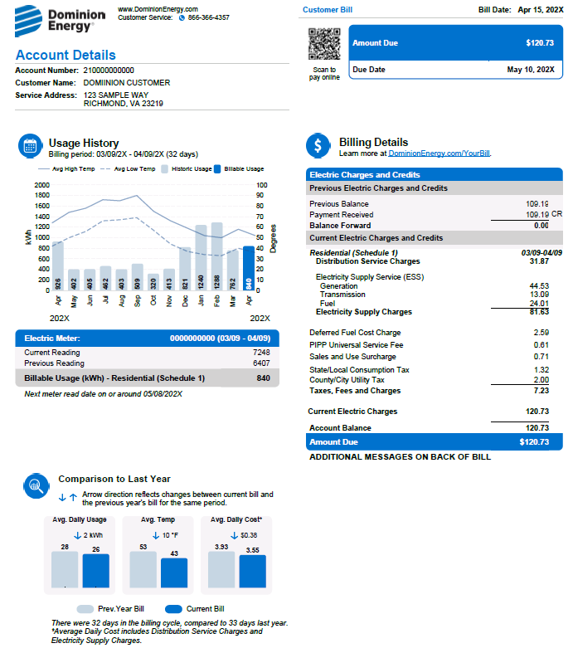
Required Field #1

Required Field #2

The rate worksheet will
calculate these charges.

Required Field #3

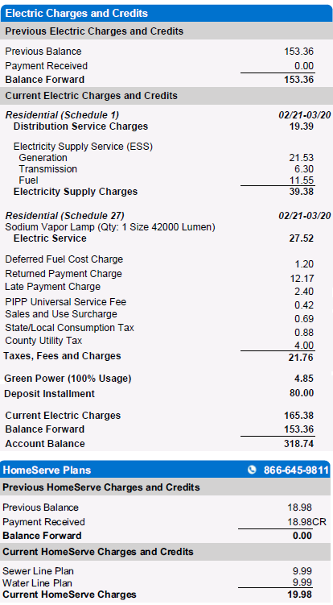

- Refer to the Rate Schedule and Rider Schedules for an explanation of charges. Distribution riders in the Exhibit of Applicable Riders are included in Distribution Service Charges line item.

- Refer to the Rate Schedule and Rider Schedules for an explanation of charges. Electricity Supply riders and Non-bypassable riders in the Exhibit of Applicable Riders are included in the Generation line items.

- Refer to the Outdoor Lighting Rates (Schedules 24, 27, 28, or 29) and the Rider Schedules for an explanation of charges. All riders (Electricity Supply, Distribution, and Non-bypassable) described in the Exhibit of Applicable Riders are included in the Electric Service line item.

- Refer to the Deferred Fuel Tariffs: Pro-Rata Share of Fuel Deferral Charges or Deferred Fuel Cost Charge Tariff for an explanation of charges.
- Refer to the Entire Filed Tariff - Terms and Conditions Section XII Payments for an explanation of Late Payment Charge and Return Payment Charge.

- County/City Utility Tax rates vary by locality. These taxes are prescribed by The State Code of Virginia, and are calculated per kWh based on your usage.

- Refer to the Rider G - Renewable Energy Program rider schedule for an explanation of charges.
- Other charges and/or adjustments will display in several sections of the bill. Please contact us for an explanation of these types of charges.

- Contact HomeServe directly for an explanation of any HomeServe Plans.

