Sample Bill
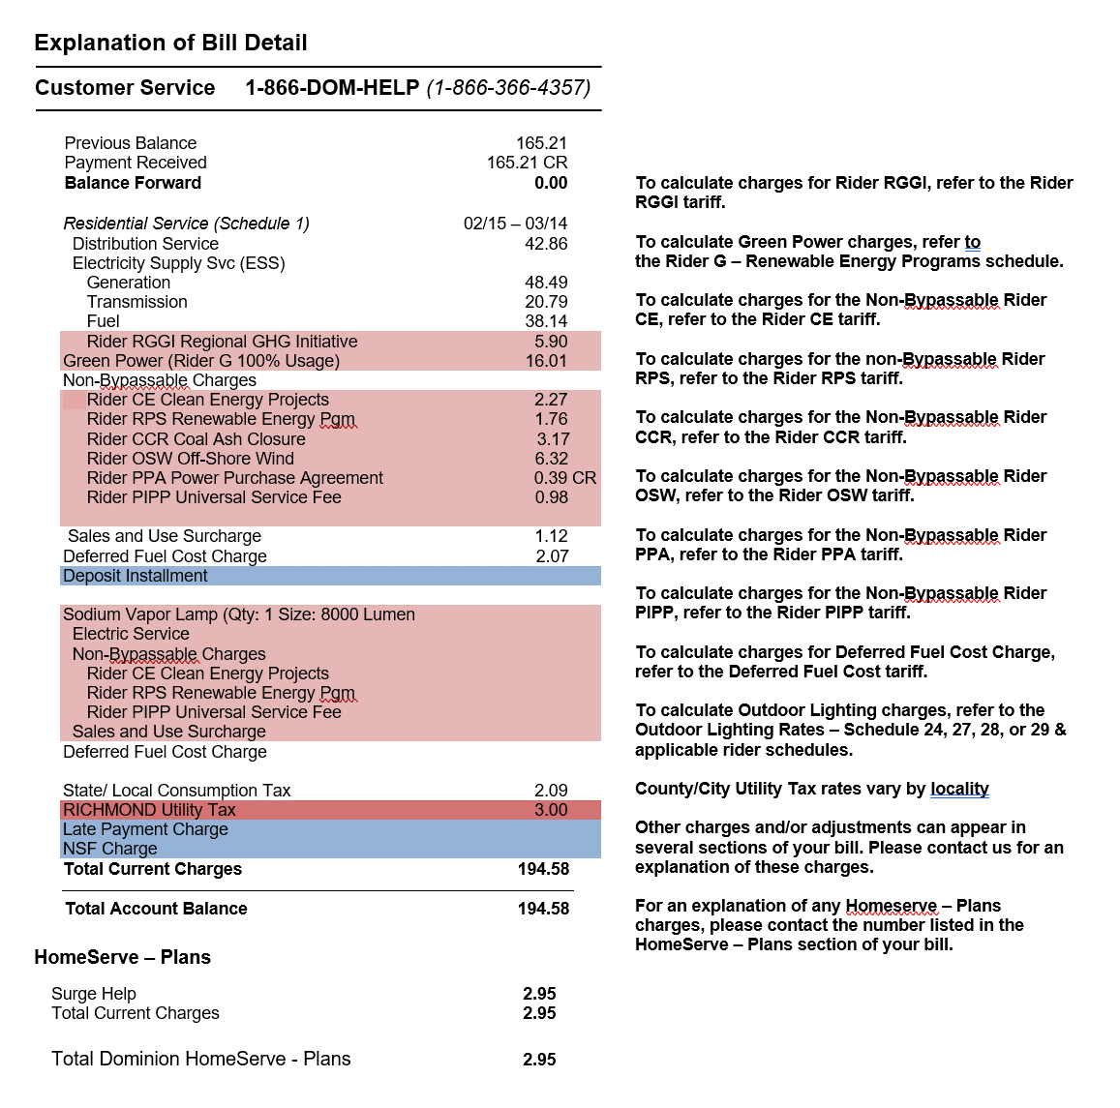
Required Field #1
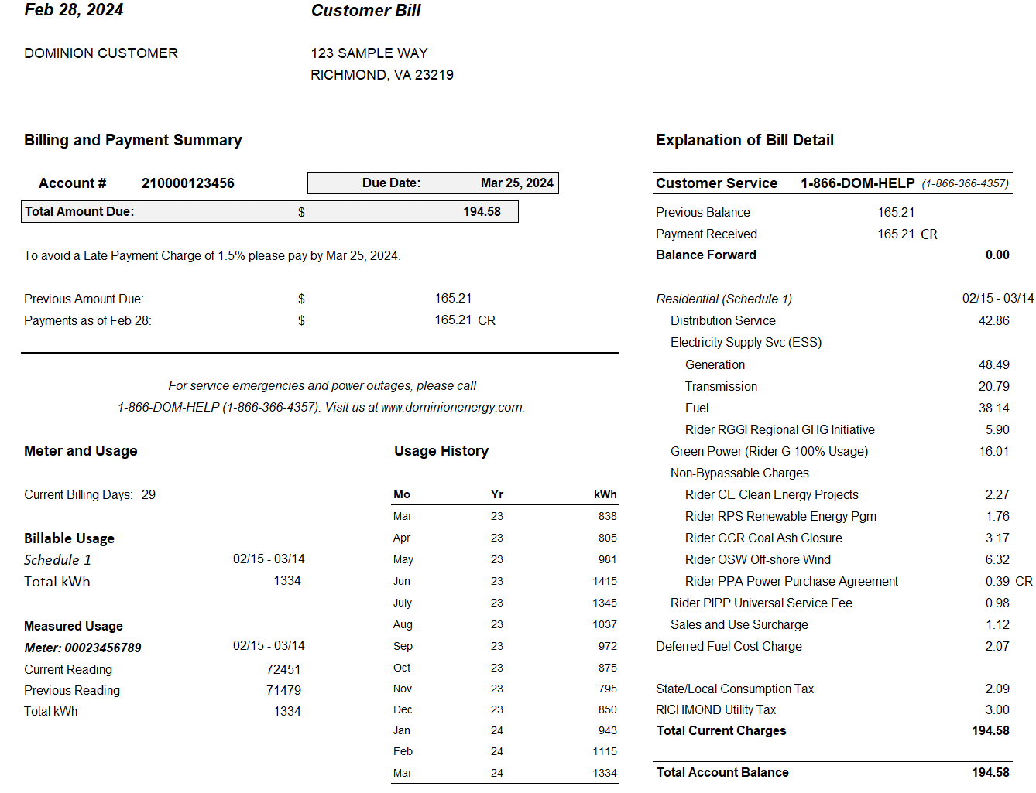

The rate worksheet will
calculate these charges.

Required Field #2

Required Field #3

